Req_CFG_CC_Paths
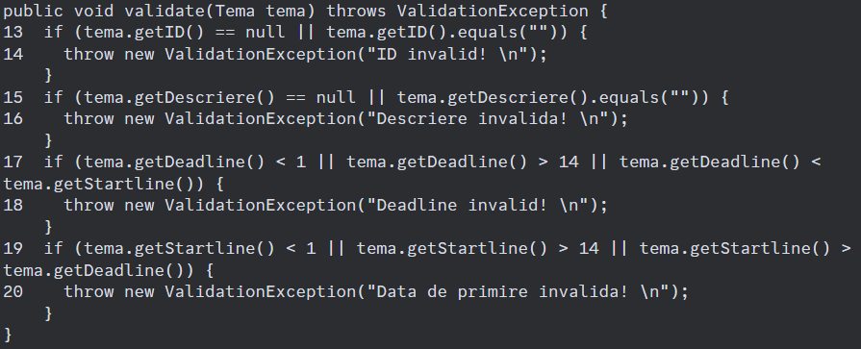
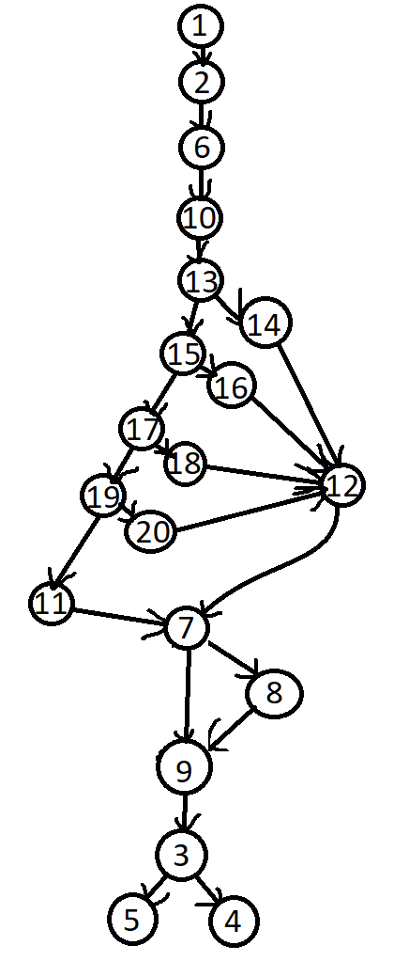

Cyclomatic complexity
CC_1 | regions | 5
CC_2 | E-N+2 | 24-20+2=6
CC_3 | Predicate+1 | 6

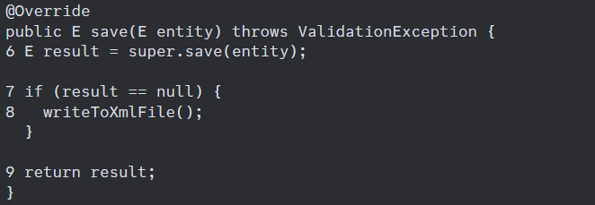
Individual Paths
1 | 1-2-6-10-13-14-12-7-9-3-5
2 | 1-2-6-10-13-15-16-12-7-9-3-5
3 | 1-2-6-10-13-15-17-18-12-7-9-3-5
4 | 1-2-6-10-13-15-17-19-20-12-7-9-3-5
5 | 1-2-6-10-13-15-17-19-11-7-8-9-3-4

